Home
 |  | Jump to a Competitive Analysis Template

 |  | 1. | Two-Feature Competitive Landscape Chart
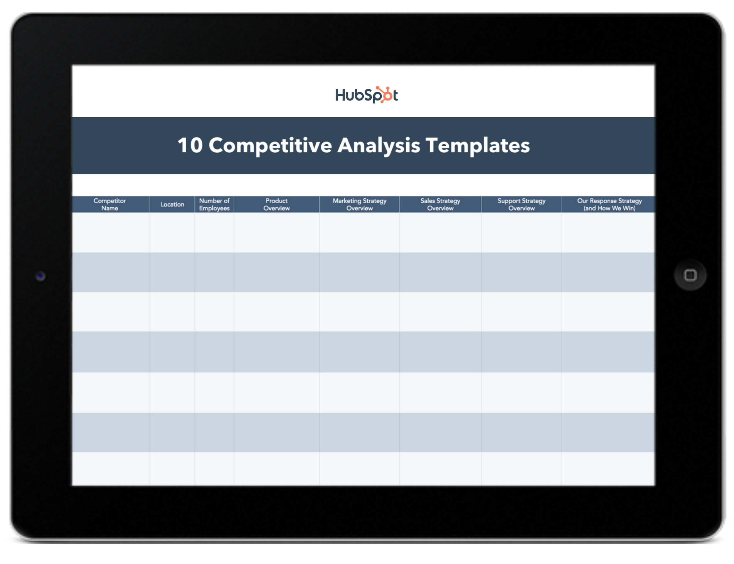
10 Competitive |  | 2. | You vs. Competitor Side-By-Side

 |  | 3. | Competitor Strategic Overview
Analysis Templates
 |  | 4. | Content Marketing Analysis Template

 |  | 5. | Competitor [Team member]

 |  | 6. | Multiple Competitor Feature Comparison

Learn More About Competitive Strategy from HubSpot Academy |  | 7. | Multiple Competitors Scoring Card

Take this free course to help you build a robust competitive positioning strategy. |  | 8. | SWOT Analysis Template

 | Get Started | 9. | Categorical Feature Comparison Template

 |  | 10. | Review Tracker

Two-Feature Competitive Landsca
 | Price and Product Features | Also Available via Google Slides

Customization and Growth Potential | 
 |  | Instructions

 |  | 1) Select two factors that are important to your business and your market, such as "price and product features," or "customization and growth potential." 2) Delete the letters on the graph, which serve as logo placeholders to demonstrate what the final graph might look like. 3) Add in logos for your company and your competitors and place them on the graph according to how high or low they are on the graph for these criteria. For example, in the examples we placed, Company A would be high in Feature #1 and Feature #2, whereas Company E is low in both features.

Content Marketing Analysis Temp
- Highlighting unique features and capabilities - Focusing on specific market segments or industries - Providing exceptional customer service and support

Social Media Followers
Content Marketing Competitive Analysis | Social Media Followers | Facebook | Instagram | Twitter | YouTube | LinkedIn
Ambient Systems | Total Following | 9 | 3 | 1 | 261 | 274
Oracle Financial Services | 14,000 | 152 | 9,497 | 2,430 | 44,009 | 70,088
Microsoft Access | 1,315,621 | 4,000,000 | 242,600 | 1,110,000 | 20,201,874 | 26,870,095
n/a | Total Following | Total Following | 268 | Total Following | 4,353 | 4,621
Cube Planning | 1,200 | 973 | 1,920 | 1,190 | 27,921 | 33,204
OneStream | Total Following | Total Following | Total Following | Total Following | 30,970 | 30,970
More tailored solutions - have more follow ups and work closely with client Specialised in financial services | 151 | 772 | 1,002 | 189 | 8,109 | 10,223

Algo | Blog/Content Strategy |  | Link to Blog |  | Link to Resource Library
Ambient Systems | Publishing Cadence |  | Link |  | Link
Oracle Financial Services | Publishing Cadence |  | Publishing Cadence |  | N/A
Microsoft Access | Publishing Cadence |  | Publishing Cadence |  | N/A
n/a | Publishing Cadence |  | Publishing Cadence |  | Link
Cube Planning | Publishing Cadence |  | Publishing Cadence |  | Link
OneStream | Publishing Cadence |  | Publishing Cadence |  | Link
More tailored solutions - have more follow ups and work closely with client Specialised in financial services | Publishing Cadence |  | Publishing Cadence |  | Link

Number of Ranking Keywords | Email Strategy |  | Link to Newletter Subscribe Homepage |  | Link to Newsletter Design
Ambient Systems | Publishing Cadence |  | Publishing Cadence
Oracle Financial Services | Publishing Cadence |  | Publishing Cadence
Microsoft Access | Publishing Cadence |  | Publishing Cadence
n/a | Publishing Cadence |  | Publishing Cadence
Cube Planning | Publishing Cadence |  | Publishing Cadence
OneStream | Publishing Cadence |  | Publishing Cadence
More tailored solutions - have more follow ups and work closely with client Specialised in financial services | Publishing Cadence |  | Publishing Cadence

